Problem 1
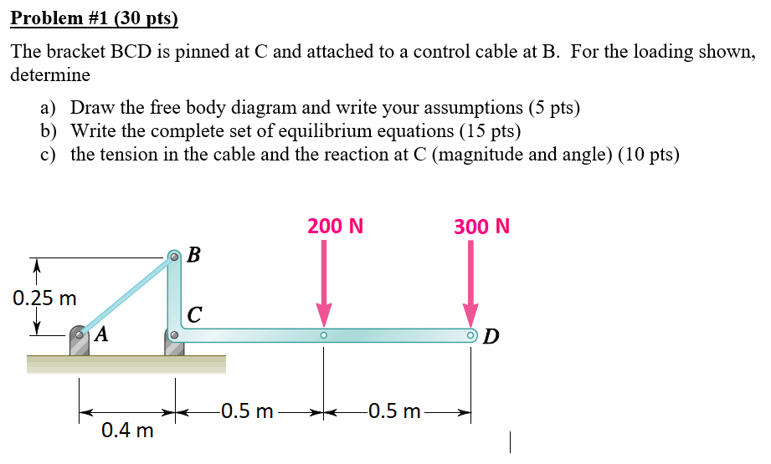
Problem 1 (30 pts) |  |  |  |  | You may use this white area as an additional work space, but please record the requested results in the area to the left.
 |  |  |  |  | Please do not add extra rows/lines to this file!
 |  |  |  |  |  |  | i | j | k
 |  |  |  |  | |AB| = | 0.4472135955 |  |  |  | m
 |  |  |  |  | |AB|x = | 0.4 |  |  |  | m
 |  |  |  |  | |AB|y = | 0.2 |  |  |  | m
 |  |  |  |  | |BC| = | 0.25 |  |  |  | m
 |  |  |  |  | |CE| = | 0.5 |  |  |  | m
 |  |  |  |  | |CD| = | 0.5 |  |  |  | m
 |  |  |  |  | FE = |  | 0 | 200 | 0 | <N>
 |  |  |  |  | FD = |  | 0 | 300 | 0 | <N>

Inputs - List values to be used for calculations in part c) below
Name | Value | Units

Calculations - Use this space for any intermediate calculations from the inputs

Find
a) FBD and assumptions - copy/paste hand sketch or use drawing tools (5 pts)
Assumptions: | Ideal pin, weightless components, rigid bracket
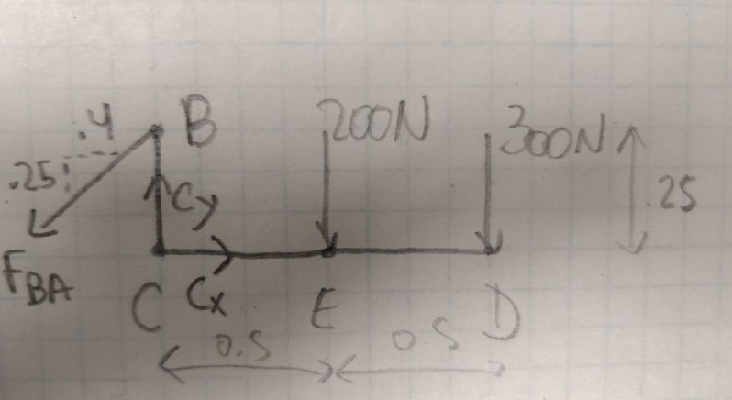
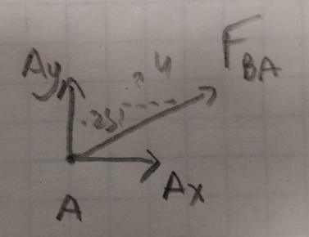

b) Equilibrium Equations - Type in or handwrite your equations and copy/paste here (15pts)
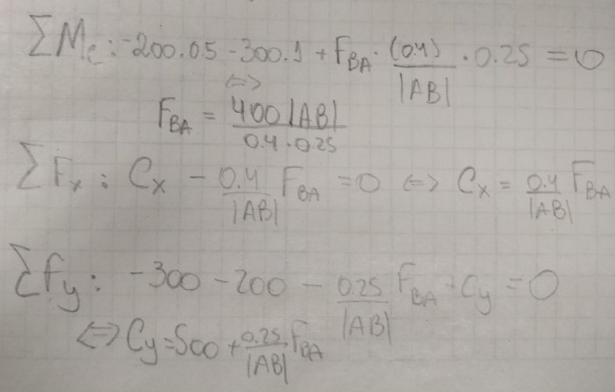

c) Solve for Reactions at C and for tension in cable using Substitution or RREF in MatLab (10 pts)
Based on b) input the calculations for your solutions below or results from RREF in MatLab.
If you use MatLab, show your Augmented Matrix below as well.
Augmented Matrix for RREF:
 | Cx | Cy | TBA
 | 1 | 0.00 | -0.894427191 | 0
M = | 0 | 1.00 | -0.55901699437 | 500
 | 0 | 0.00 | 0.22360679775 | 400

Calculations from Substitution method. If using MatLab, type results of RREF in table below.
Description | Calculation | Units
Magnitude T = | 1788.90 | N
Cx = | 1599.9 | N
Cy = | 1500 | N
Magnitude C = | 2193.10 | N
Theta C = | 0.75 | radians

Problem 2
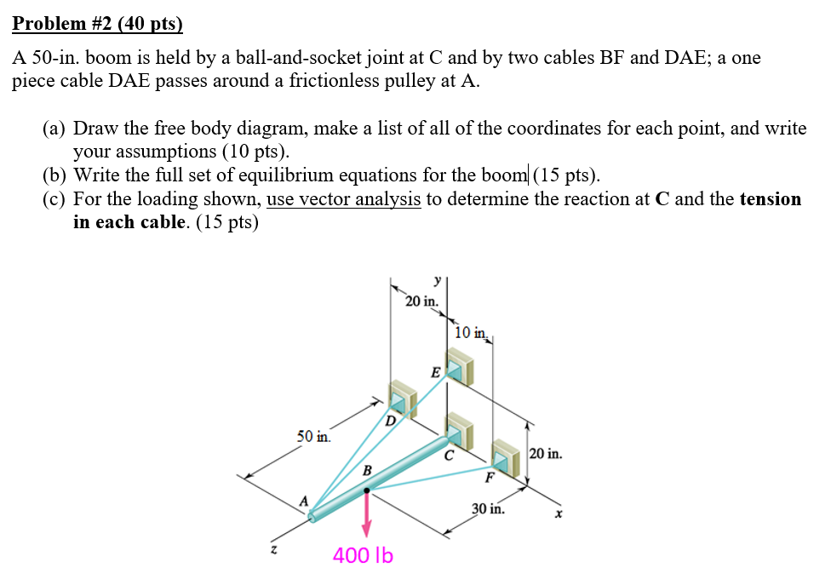
Problem 2 (40 pts) |  |  | NOTE: DAE is one piece cable! |  |  |  |  | You may use this white area as an additional work space, but please record the requested results in the area to the left.
 |  |  |  |  |  |  |  | Please do not add extra rows/lines to this file!
 |  |  |  |  |  |  |  |  | i | j | k | Unit
 |  |  |  |  |  |  |  | A | 0 | 0 | 50 | <in>
 |  |  |  |  |  |  |  | B | 0 | 0 | 30 | <in>
 |  |  |  |  |  |  |  | C | 0 | 0 | 0 | <in>
 |  |  |  |  |  |  |  | D | -20 | 0 | 0 | <in>
 |  |  |  |  |  |  |  | E | 0 | 20 | 0 | <in>
 |  |  |  |  |  |  |  | F | 10 | 0 | 0 | <in>

 |  |  |  |  |  |  |  | AB = | 0 | 0 | -20 | <in>
 |  |  |  |  |  |  |  | BC = | 0 | 0 | -30 | <in>
 |  |  |  |  |  |  |  | AD = | -20 | 0 | -50 | <in>
 |  |  |  |  |  |  |  | AE = | 0 | 20 | -50 | <in>
 |  |  |  |  |  |  |  | BF = | 10 | 0 | -30 | <in>
 |  |  |  |  |  |  |  | AC = | 0 | 0 | -50
Inputs - List values to be used for calculations in part c) below
Name | Value | Units |  |  |  |  |  | eBF = | 0.31622776602 | 0 | -0.94868329805
 |  |  |  |  |  |  |  | eAD = | -0.37139067635 | 0 | -0.92847669089
 |  |  |  |  |  |  |  | eAE = | 0 | 0.37139067635 | -0.92847669089

Find
a) FBD and assumptions - copy/paste hand sketch or use drawing tools (10 pts)
Assume: |  | Ideal pin at C, weigthless components, regib body boom
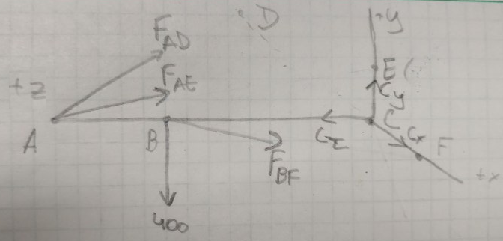

List coordinates
 | i | j | k
A | 0 | 0 | 50
B | 0 | 0 | 30
C | 0 | 0 | 0
D | -20 | 0 | 0
E | 0 | 20 | 0
F | 10 | 0 | 0

b) Equilibrium Equations - Type in or handwrite your equations and copy/paste here (15pts)
You are also encouraged to use this area to calculate your position and unit vectors and to perform any
intermediate calculations required to write your Equilibrium Equations. Label your calculations.
Description | Calculation

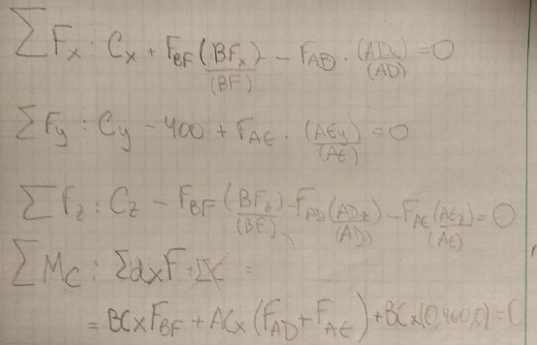

E Mc = | rBC x eBF |FBF| + rAC x eAD |FAD| + rAC x eAE |FAE| + rBC x (0,400,0) = 0
 | (0, -9.486,0) * |FBF| + (0,18.55,0) |FAD| + (-18.55,0,0) |FAE| + (12000,0,0) = 0

E Mcx = | -18.55 |FAD| + 12000 = 0 |  |  |  | Calculations done using wolfram
E Mcy = | -9.8486 |FBF| + 18.55 |FAD| = 0
E Mcz = | 0.00

 | NOTE: since it is a single cable, |FDAE| = |FAD| + |FAE| and |FAD| = |FAE|

c) Solve for Reactions at A and B and for TFE (5 pts)
You can choose to calculate the requested values using substitution with equations in the cells below or you
can use MatLab and record the results below. If you use MatLab, show your Augmented Matrix below.

NOTE: I used F, instead of T for the equivalent forces.
Augmented Matrix for RREF - Since there are 5 unknowns, use 5 of the equations for RREF
 | Cx | Cy | Cz | TDAE | TBF | b
i | 1 | 0 | 0 | 0.3714 | 0.3162 | 0
j | 0 | 1 | 0 | 0.3714 | 0.0000 | 400
k | 0 | 0 | 1 | 1.8570 | 0.9487 | 0 | = M
i | 0 | 0 | 0 | -18.55 | 0 | -12000
j | 0 | 0 | 0 | 18.55 | -9.8486 | 0
k | 0 | 0 | 0 | 0 | 0 | 0.00

Calculations from Substitution method. If using MatLab, type results of RREF in table below.
Description | Calculation | Units
Cx | -635.5 | N
Cy | 160 | N
Cz | -2357 | N
TDAE | 649.90 | N
TBF | 1218.40 | N

Ref-Support Reactions
